D3
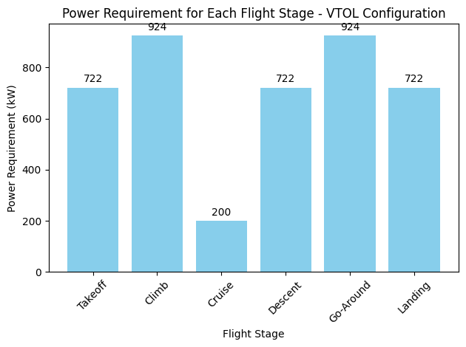
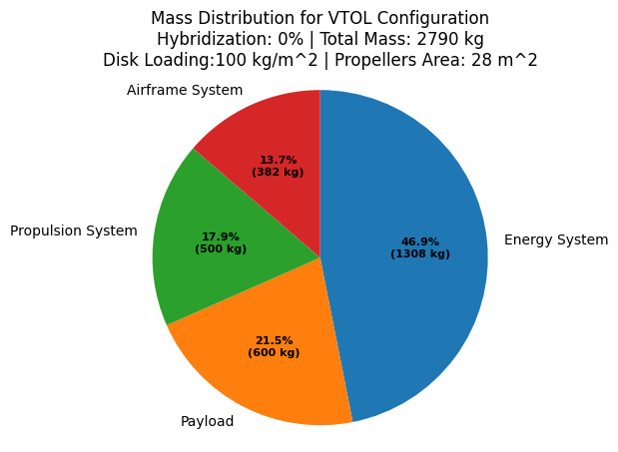
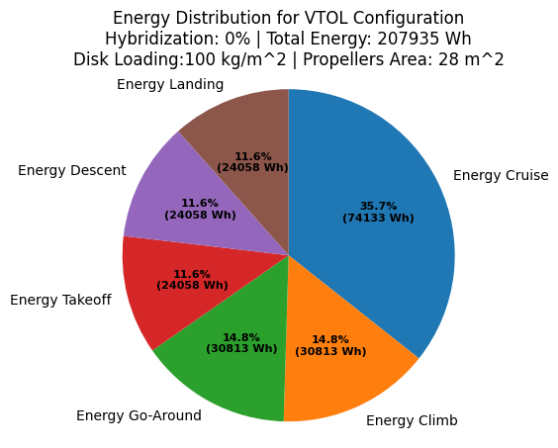
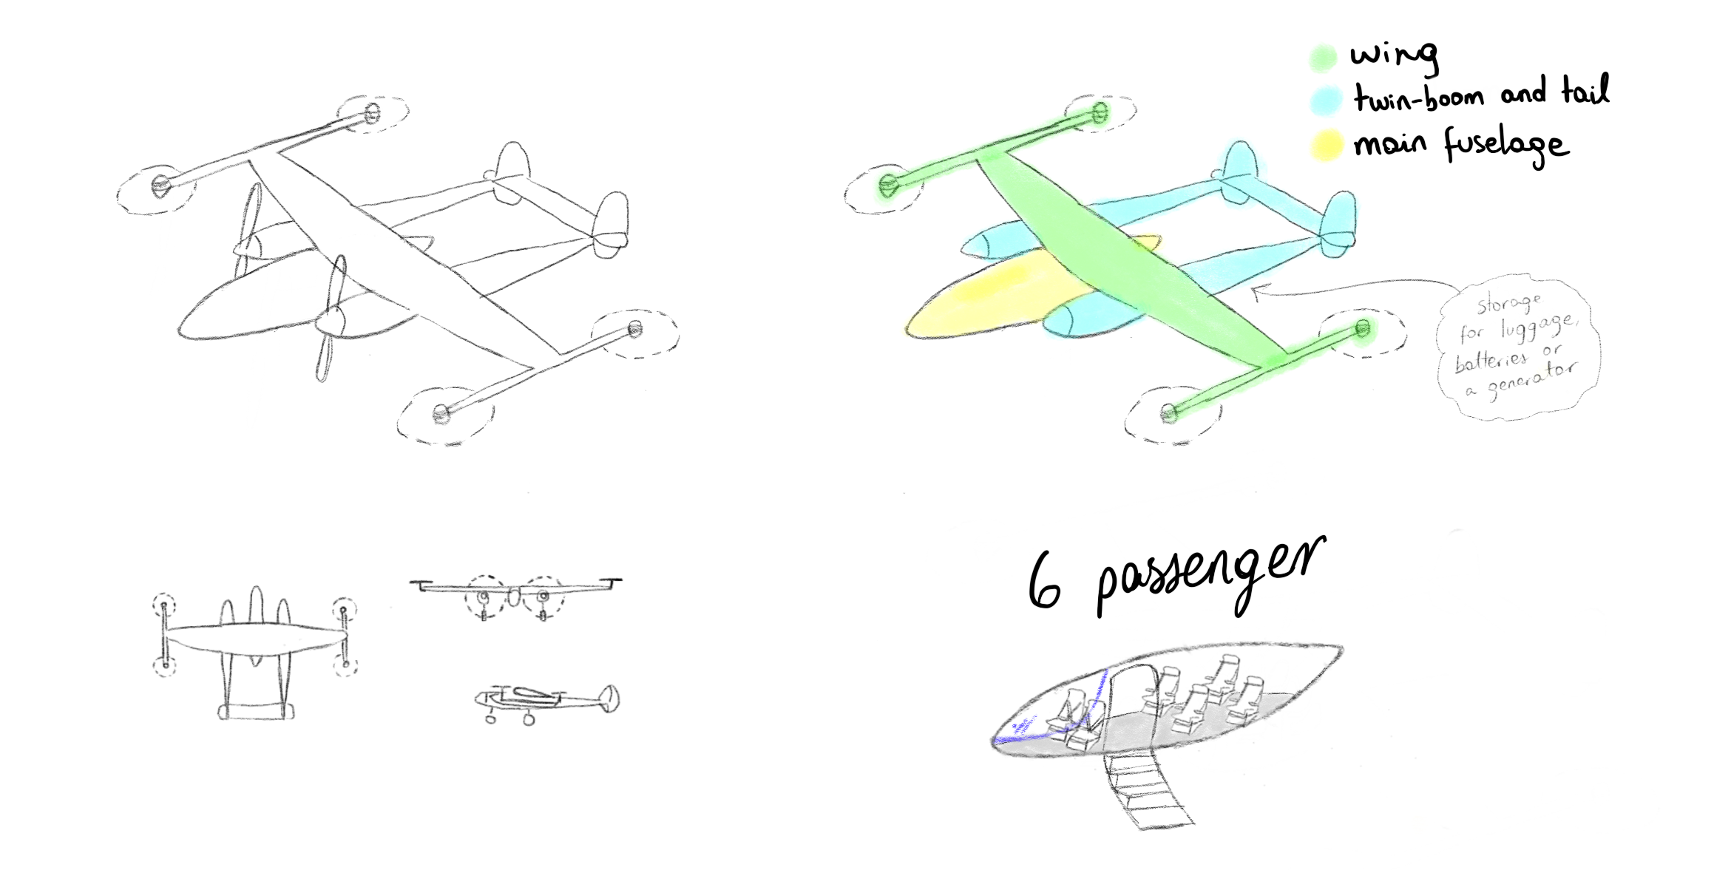
Introduction |  | @dropdown

Design proposed ID | D3
Brief description | Double boom configuration (patent available) with 4 VTOL motors and 2 cruise motors. All fixed. H tail and big fuselage and door for payload

Patent cited | Available
ID patent
Wingspan (m) | 15
Wing area (m2) | 20
Chord (m) | 1.3
Fuselage length (m) | 6
Seats | 6
Number of motors | 6
Power Kw | 924
Power total HP | 1215.789474
each motor Kw | 231
each motor HP | 303.9473684

D5
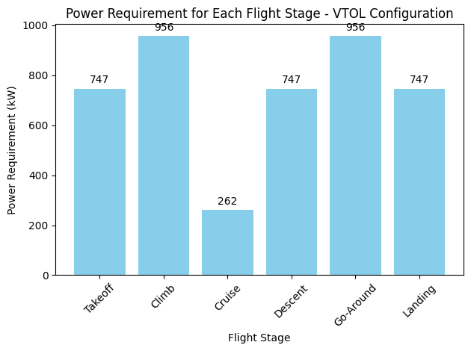
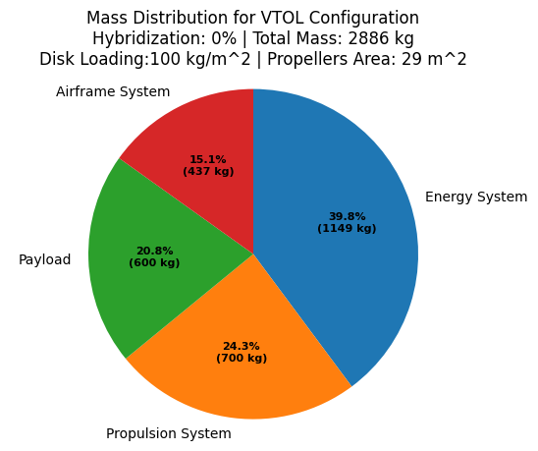
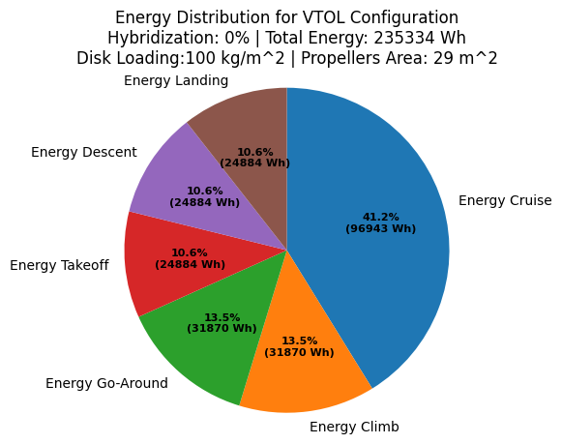
Introduction

Design proposed ID | D3
Brief description | Double boom configuration (patent available) with 6 VTOL motors and 2 cruise motors. All fixed. H tail and big fuselage and door for payload.

Patent cited | Available
ID patent
Wingspan (m) | 15
Wing area (m2) | 20
Chord (m) | 1.3
Fuselage length (m) | 8
Seats | 6
Number of motors | 6
Power Kw | 956 | for climb
Power total HP | 1257.894737
each motor Kw | 159.3333333
each motor HP | 209.6491228

D6
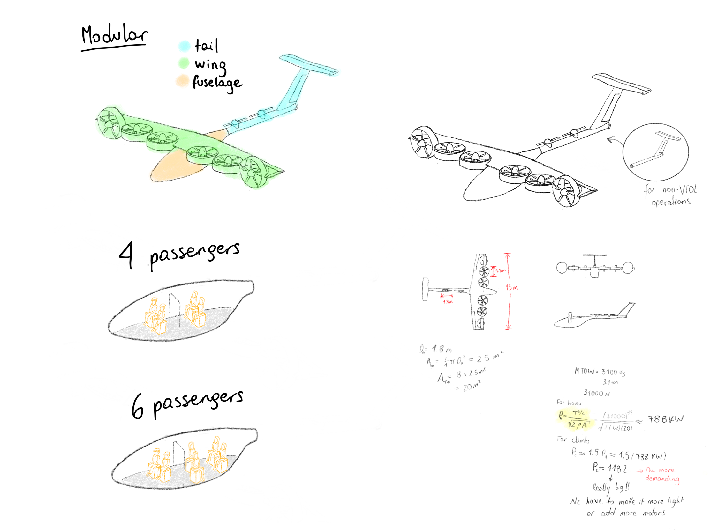
Introduction

Design proposed ID | D6
Brief description | A high wing design with 2 tilt rotors (external ones) and 6 fixed motors (only for vertical stages). T tail for control authority. Big fuselage area and door. Modularity in tail design.

Patent cited | https://patents.google.com/patent/US20200391859A1/en?oq=US20200391859A
Patent ID | US20200391859A | Abandoned / Available to be used
Wingspan (m) | 15
Wing area (m2) | 15
Chord (m) | 1
Fuselage length (m) | 10
Seats | 6
Power Kw | 944
Number of motors | 8
Power total HP | 1242.11
each motor Kw | 118
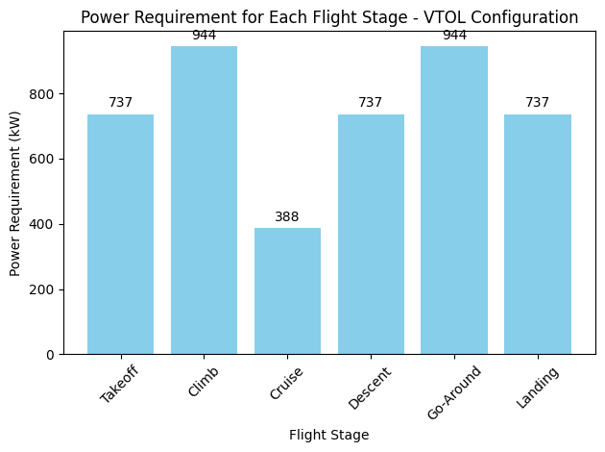
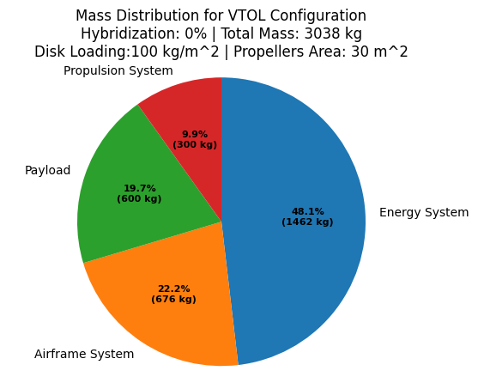
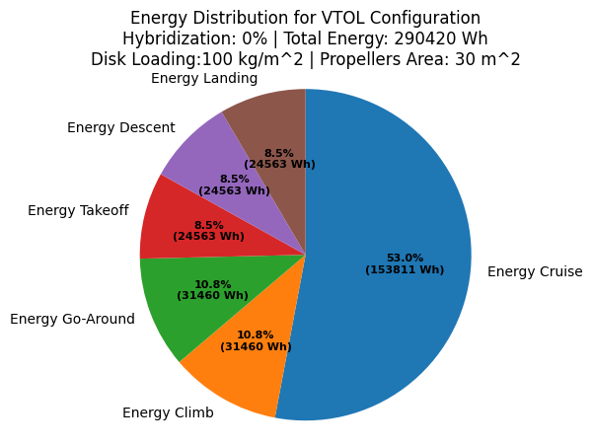
each motor HP | 155.26

D7
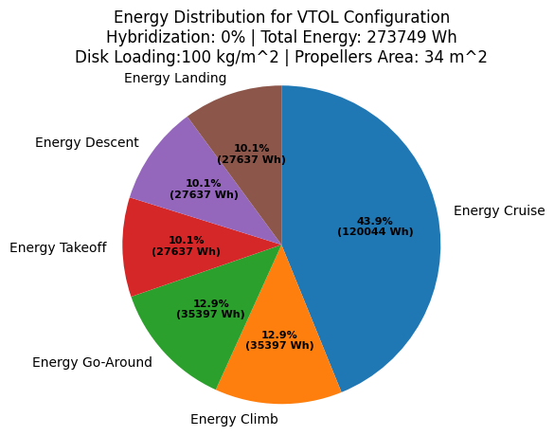
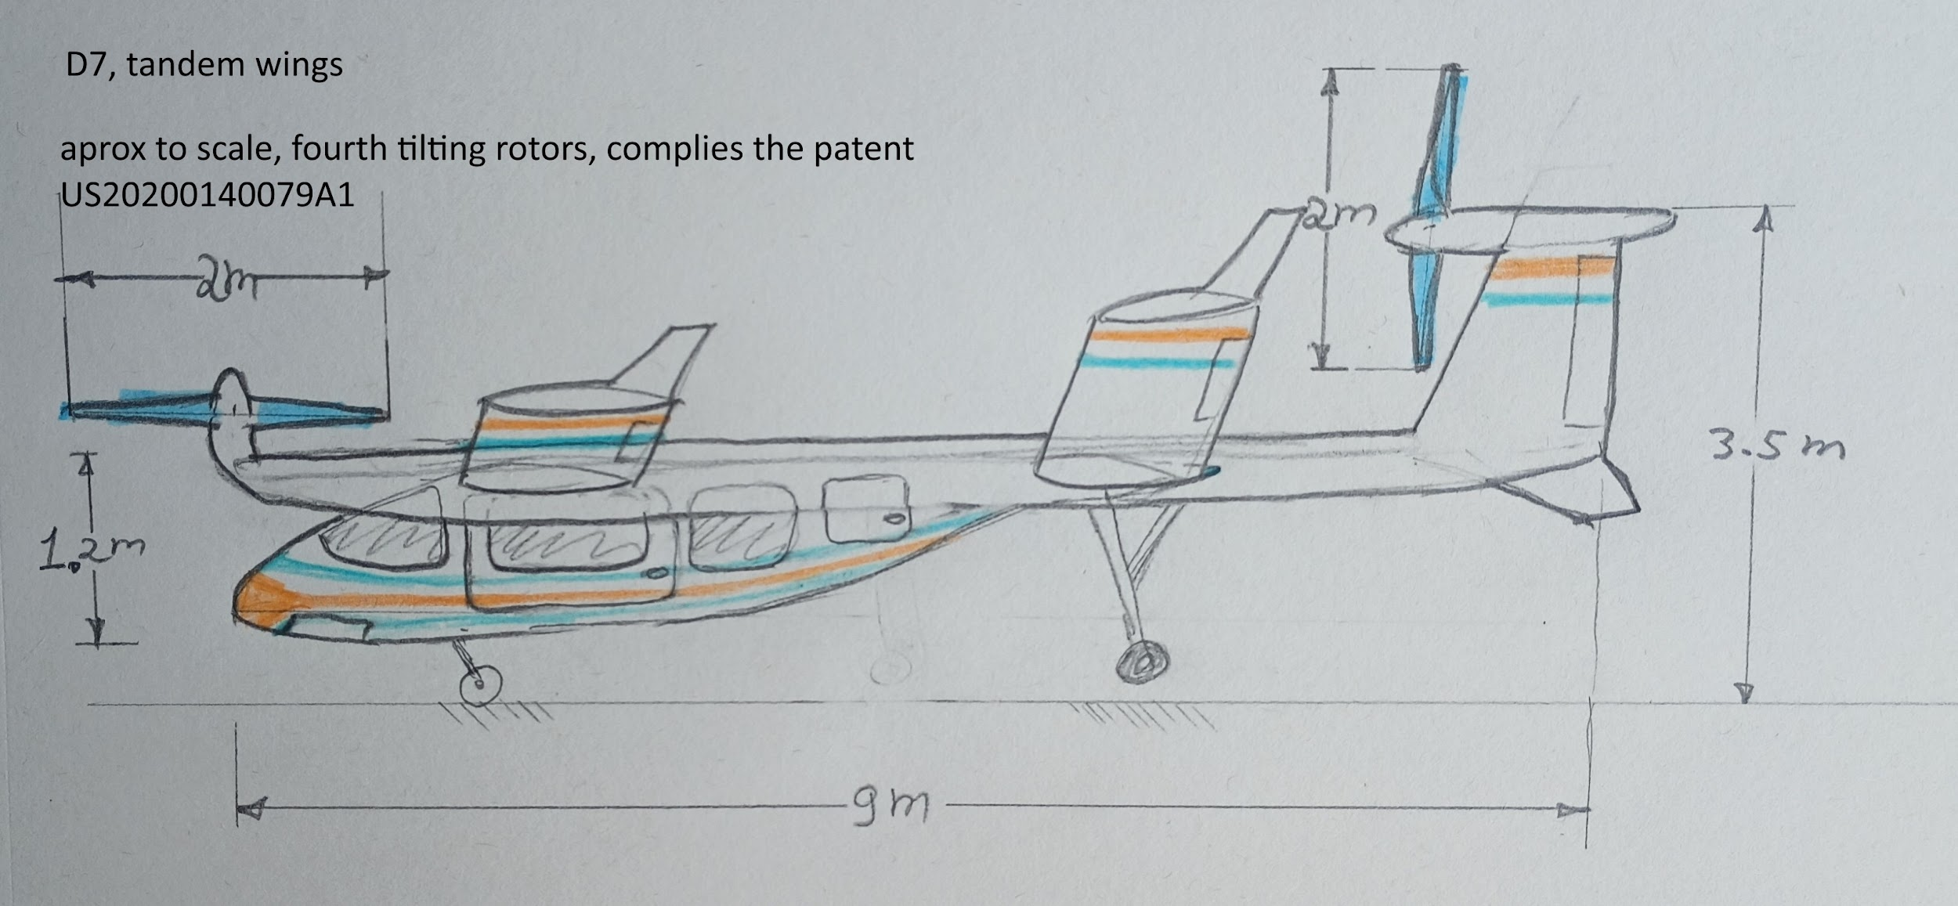
Introduction | After an analysis to the patents available on databases such as Google patents, and USPTO, related to aircraft VTOL. the analysis include considerations of direct infringement, as well as indirect, literal and equivalence, induced. is recommended to go deeper in this research during the following design stages

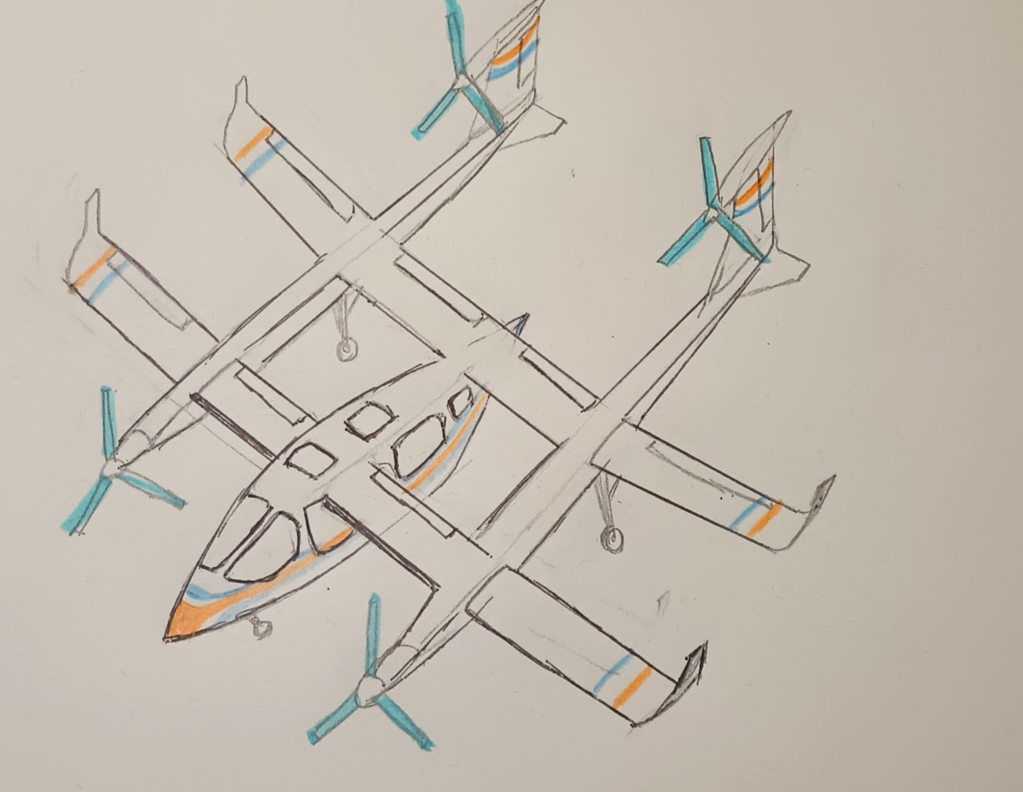
Design proposed ID | D7
Brief description | A tandem wing design that allows for a wider center of gravity range, which allows passengers to use a wide door for easy boarding and deboarding. With a 4-tilt rotor system. This design has the goal of providing as much lift as possible with the available fixed wing surfaces and distributing the weight over the triple fuselage.

Patent cited | https://patents.google.com/patent/US20200140079A1/en?oq=us20200140079a1
ID patent | us20200140079a1 | Abandoned / available to be used
Wingspan (m) | 12
Wing areax2 (m2) | 15.6 | 31.2
Chord (m) | 1.3
Fuselage length (m) | 9
Seats | 6
Number of motors | 4
Power Kw | 1062
Power total HP | 1397
each motor Kw | 265.5
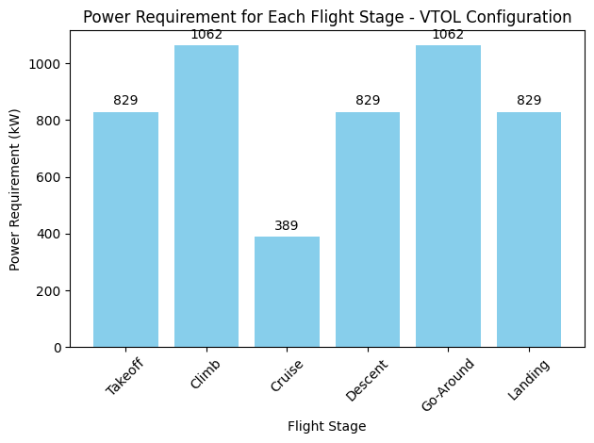
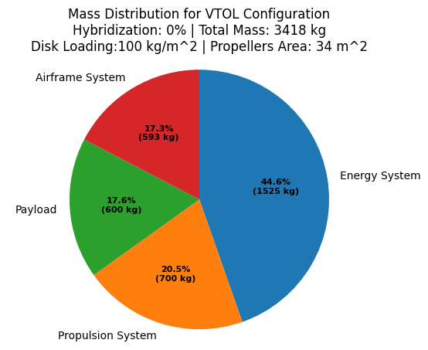
each motor HP | 349

D8
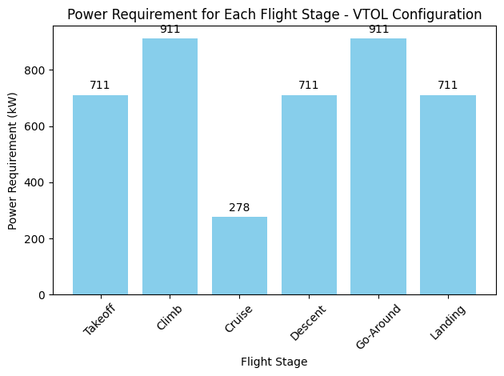
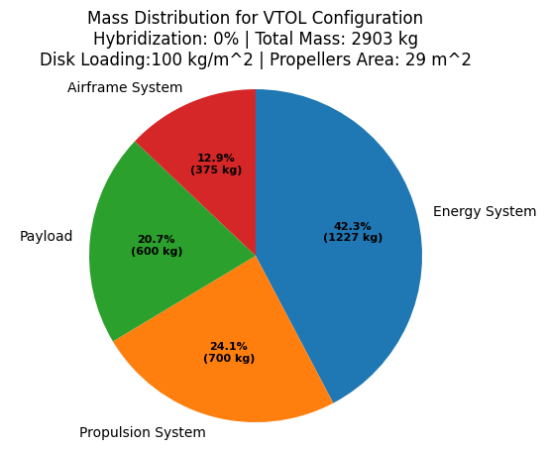
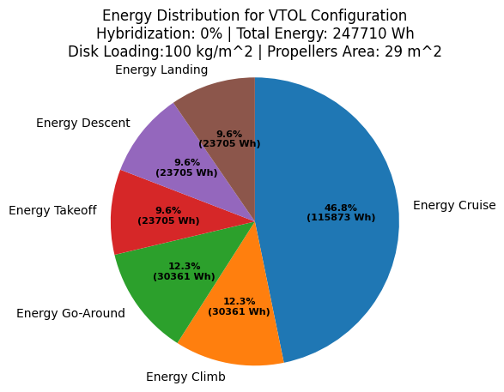
Introduction
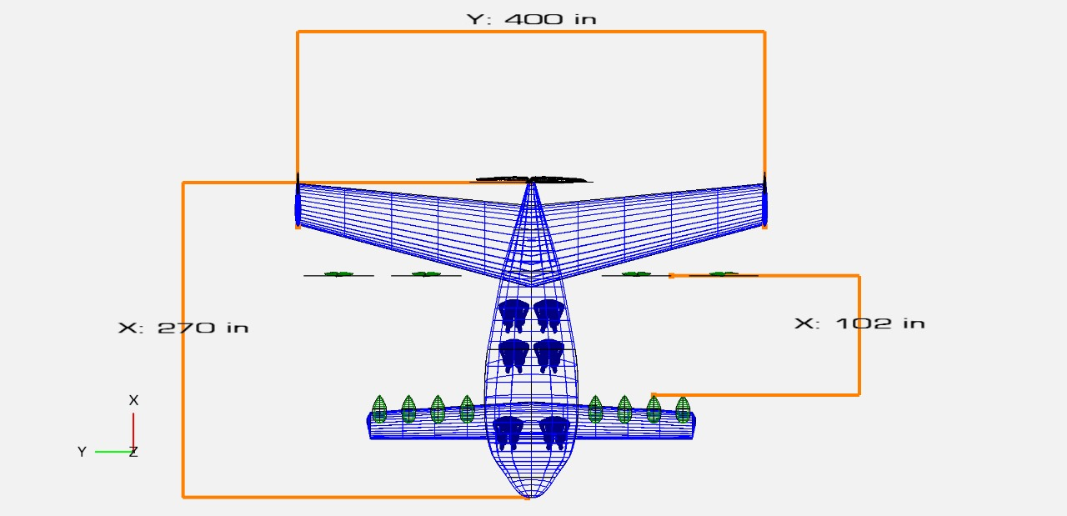

Design proposed ID | D8
Brief description | High back wing (4 tilted rotors and 1 fixed pusher) with canard configuration (distributed ducted propulsion). Big fuselage area for six passengers.

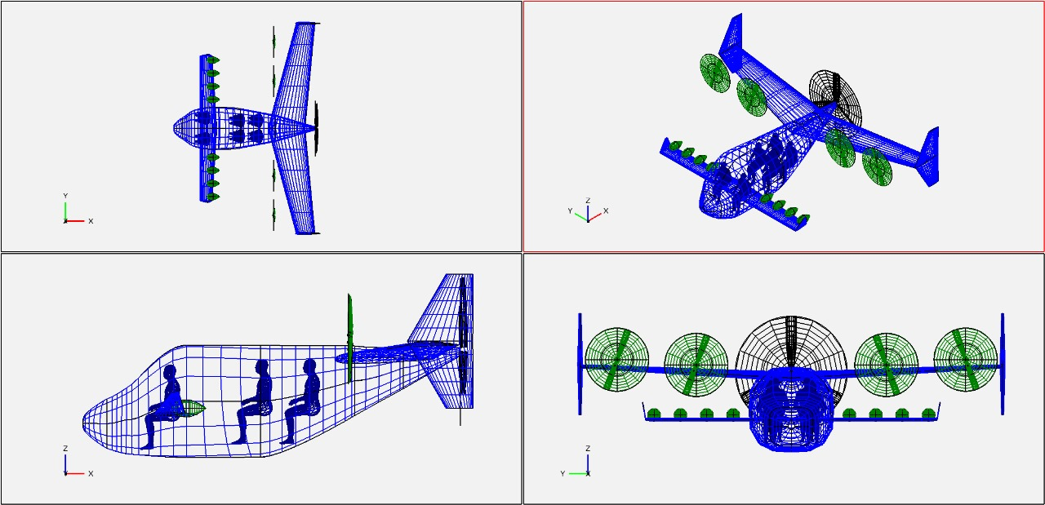

Patent cited | Available
ID patent
Wingspan (m) | 10
Wing area (m2) | 13.58
Chord (m) | 1.36
Fuselage length (m) | 6.9
Seats | 6
Power Kw | 911
Power total HP | 1198.684211
each motor Kw | 75.91666667
each motor HP | 99.89035088

